Sheet1
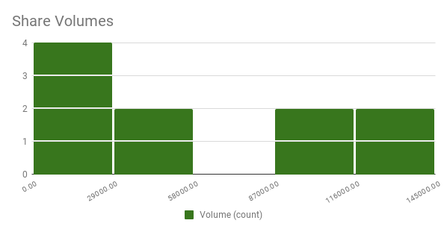
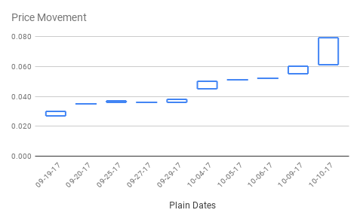
Shark Attacks in Australia - Last 100 Years
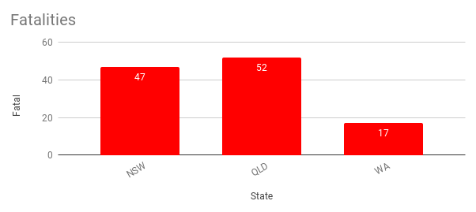
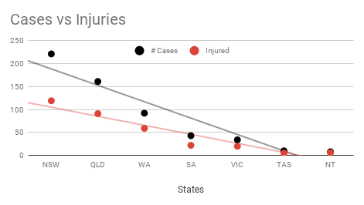

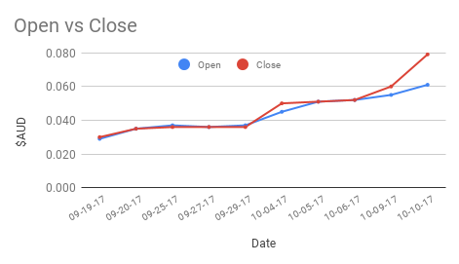
SM8 Smart Marine Systems ASX
Date | Open | High | Low | Close | Volume
2017-09-19 | 0.029 | 0.030 | 0.027 | 0.030 | 134,135
2017-09-20 | 0.035 | 0.035 | 0.035 | 0.035 | 2,850
2017-09-25 | 0.037 | 0.037 | 0.036 | 0.036 | 90,919
2017-09-27 | 0.036 | 0.036 | 0.036 | 0.036 | 3,513
2017-09-29 | 0.037 | 0.038 | 0.036 | 0.036 | 140,906
2017-10-04 | 0.045 | 0.050 | 0.045 | 0.050 | 57,968
2017-10-05 | 0.051 | 0.051 | 0.051 | 0.051 | 10,740
2017-10-06 | 0.052 | 0.052 | 0.052 | 0.052 | 2,223
2017-10-09 | 0.055 | 0.060 | 0.055 | 0.060 | 55,000
2017-10-10 | 0.061 | 0.079 | 0.061 | 0.079 | 88,400
Trend

